Sheet1
Task 3: BUG Report
BUG 1 |  | BUG 2
Title | Bug when user doesn't exist | Title | UI Bug of having same icons for different funcationality
What | Unregistered user tries to reset forgot password function | What | Privacy Policy and Cookies have same icons
Where | Login page | Where | Homepage
Under What Section | Forgot Password Section | Under What Section | Menu
Defect Priority | Medium | Defect Priority | Low
Defect Severity | Minor | Defect Severity | Low
Tester | Priyanka Karia | Tester | Priyanka Karia

Attachment |  | Attachment | 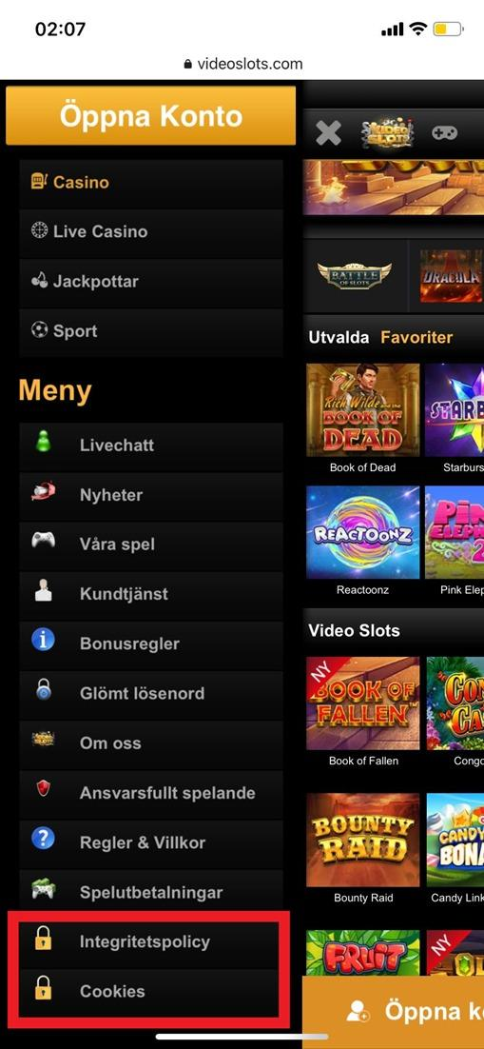

Scenario | Unregistered User tries to reset forgot password function | UI Scenario | Accessing VideoSlots site on phone.
 | GIVEN John is an unregistered user. |  | GIVEN John is a registered / unregistered user
 | AND he is on the forgot password page |  | WHEN he accesses the site from a mobile device
 | WHEN he enters his unregistered email address and Captcha and date of birth details |  | THEN the web page is opened, with all labels and related icons
 | THEN site returns the error with meaning as ‘Entered Email does not exist’

Expected Result | The site returns the error with meaning as ‘Entered Email does not exist’ | Expected Result | The site returns the error with meaning as ‘Entered Email does not exist’
Actual Result | The site returns the error as either email, date of birth or captcha code is missing which seems to be misleading. | Actual Result | The site returns the error as either email, date of birth or captcha code is missing which seems to be misleading.

Note | Please note, VideoSlots being a live website developed and tested by thorough professionals, I have not been able to find any critical bugs. I also have a limited knowledge about different use cases for the functions and options available on the site. I have found two issues related to Account management and UI, which can be improved in Future.

